Rd
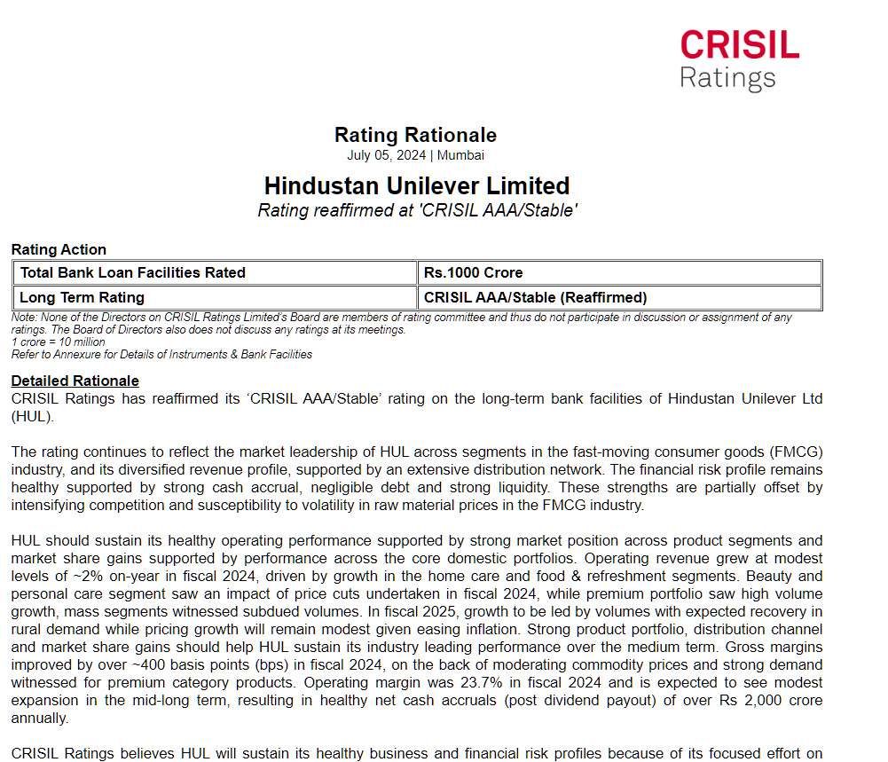
Calculation of Risk Free Rate

Rating of HUL | AAA
Company default Spread | 0%
Risk Free Rate | 4.65%
Country Default Spread | 2.39%
Return on Debt | 7.039%

